General Sampling Protocol
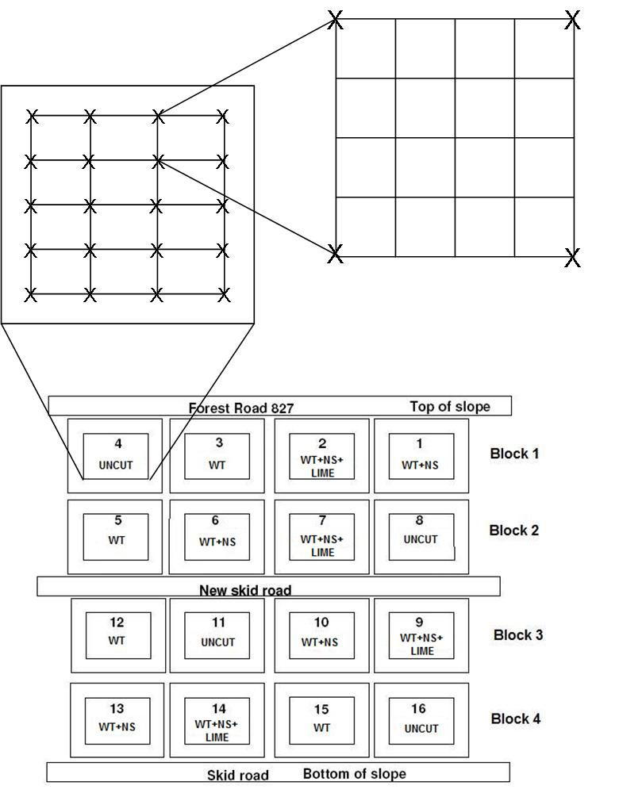

General Sampling Protocol
Depending on the sampling scheme, the LTSP “growth plots” will be divided into 12 or 192 numbered squares using as guides the numbered stakes already installed for vegetation plots (Fig. 2). The “growth plots” are considered to be the treatment plots minus the buffer region, and are each 0.2 ha in size. In the 12 large squares scheme, each numbered stake will be used as the corner of a square (Fig. 1). In the 192 small squares scheme, the twelve large squares will be each divided into sixteen smaller squares (Fig. 1). The numbered stakes are close enough together (~ 10 m apart) that the location of each of the 16 small squares per large square can be visually estimated without using a measuring device. The squares will be each assigned a number for identification purposes. Each square will be considered a potential sampling point. Points to be sampled will be determined by using Microsoft Excel random number generator to randomly select the appropriate number of squares per plot. The sampling point for each square selected will be the center of the square selected, and the sample for each point will be collected as close to this point as possible, given field conditions. In both of these schemes it should be noted that the actual area sampled is the area enclosed by the outer stakes within the growth plot. This means that the area to be sampled will be slightly smaller than the 0.2 ha growth plot, meaning that the actual buffer region will be larger than the 7.6m wide area indicated in Fig. 2.

Figure 1. Schematic of treatment layout, modified from
Adams et al (2004). Also shown are the divisions for the
12 square sampling scheme and the 192 square sampling
scheme. The x’s represent the permanent numbered stakes installed for vegetation surveys.

Statistical analysis
The statistical design is a randomized block design without replication. A posteriori Tukey-Kramer tests will be used to determine treatments differences. Each response variable measured will be analyzed using the same statistical model. Statistics will be carried out using SAS JMP (SAS 2007). The effects in the model, as well as the expected mean squares and the formulae for the F ratios are presented in Table 1. Support for each hypothesis would be provided by a significant treatment effect combined with appropriate results from the a posterori tests.
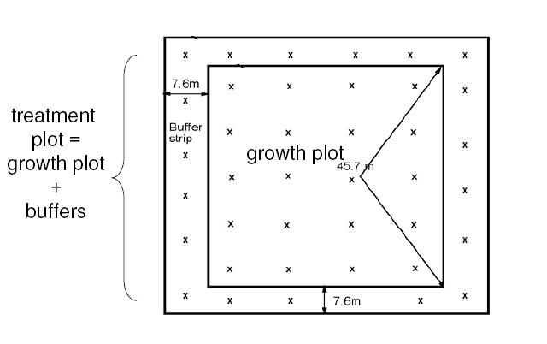

Figure 2. Diagram of individual treatment plot,
modified from Adams et al (2004). The x’s represent
permanent numbered stakes installed for vegetation
surveys.

